Prompts
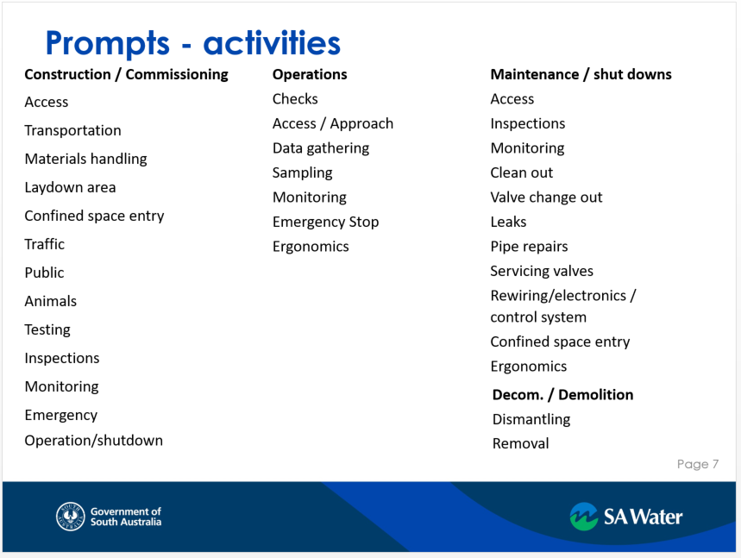
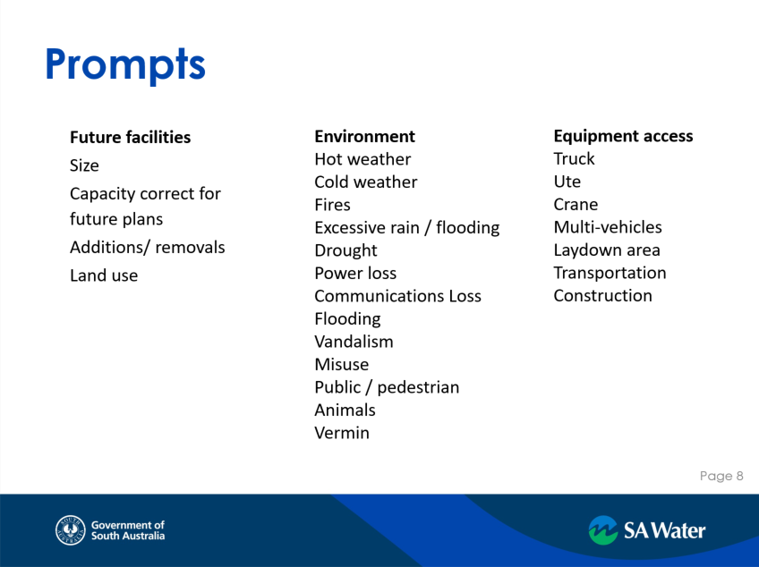
Example of Additional Activity Prompts
 |  | SAFETY IN DESIGN WORKSHOP GUIDE WORD & PROMPT LIST

Drop downs
Description/Phase | Method | Impact List | Responsible | Routine/non-routine | Reasonably Practicable Category | Status | SFAIRP
Lessons Learned | Eliminate | Design | Designer | Routine | a) Just do It | Not started | Yes
HAZID | Substitution | Construction | Constructor | Non-Routine | c) Further investigation | Open | No
SiD Hazard Review 1 - Concept | Isolation | Operations | SA Water - Operator |  | b)Grossly disproportionate | Closed
SiD Hazard Review 2 - Detailed / Construction | Engineering | Maintenance | SA Water - Maintainer
SiD Hazard Review 3 - Post Construction | Administrative | Commissioning | SA Water
Operations | PPE | Demolition

HAZARD IDENTIFICATION (HAZID) - PROJECT INITIATION PHASE
Access and Egress | How should people enter or exit the site or gain access to individual asset item?
Adjacent structures | How do structures adjacent to the design affect the design and/or how will the design effect things that surround? E.g. heat, light shadow, geotech stability, fire access
Asbestos | Could asbestos be present, including as material in existing buildings or piping on or adjacent to the site? Is asbestos contained or exposed with the possibility of dust formation?
Biological | Does the design use, produce or dispose of substances known to be biological hazards?
Carcinogens | Does the design use, produce or dispose of substances known to cause cancer?
Chemicals | Does the design use, produce or dispose of chemicals? Where chemicals are required has the design considered the appropriateness of the storage, access and spill requirements for the chemicals and/or the alternatives available that may be less harmful to both people and the environment?
Confined spaces | Are there confined spaces created by the design? Are they indicated on the drawings and are there alternative methods that can be developed/used to eliminate and/or reduce the impacts of confined spaces?
Constructability | Does the method of construction introduce hazards? What construction options are available?
Corrosion | Does the design consider corrosion due to either the environment or process and take into account materials selection to reduce the impact?
Construction interfaces | Does the site interface with other operating works?
Damage to existing assets
Drainage
Dust/fumes/vapours | Does the design include any substances that could lead to explosion, including gases, liquids or dust? Have sources of ignition been eliminated and monitoring systems been included?
Electrical safety
Ergonomics and Manual Handling | How do humans interact with the design? Are workstations or operator controls designed to allow ease of use for the human body?
Excavation | Are hazards such as excavations collapse being introduced?
Falling objects | Does the design include the possibility of objects being dropped from height? Has protection been included, including barriers to stop objects falling and covers to protect from objects that have fallen?
Fatigue | Does the design introduce fatigue issues?
Fire | Does the design include flammable or combustible materials? Have fire protection systems and fire fighting systems been implemented?
Fixed plant & Equipment | Does the design take into account the location of plant, clear working space and hazards introduced by the plant itself?
Flow | Does the design include any process that includes flow? Have hazards associated with too much flow, not enough flow or blockages been considered?
Formwork | Does the design include formwork during construction? Have hazards such as heights, slips & trips, engulfment & confined spaces been considered?
Ground conditions | Does the design take into account the general terrain & type of ground? Does it consider how the asset may alter the ground conditions?
Groundwater | Does groundwater produce the possibility of unstable ground or structural instability?
Hazardous substances/Dangerous Goods | Where chemicals are required has the design considered the appropriateness of the storage, access & spill requirements for the chemicals and/or the alternatives available that may be less harmful to both humans & the environment?
Heavy lifts/carnage | Can heavy lifts be removed or minimised? Is there sufficient room to allow access for cranes to operate?
Hot Works | Have construction methods and operation taken into account Hot Work issues?
Inspections | Does the design consider the necessity of inspections & allow for access, lighting, guarding etc.?
Interference between trades | Has the interaction between different trades during construction & operation been considered?
Laydown areas | Does the laydown area provide sufficient space to allow safe access to equipment & are laydown areas located where they provide short & unobstructed paths?
Lighting & visibility
Live services | Has sufficient lighting been provided to allow the design to perform as required & to allow personnel to operate the design as required?
Location | Has the design considered the location of the site itself in relation to the environment & other assets surrounding it? Have the locations of the assets within the design been considered with respect to each other & any existing assets already in place? Are different sections of a design compatible when located beside one another?
Maintain-ability | Has the design provided for maintenance of the asset with clear working space provided, lifting device/points provided & the risks such as electricity, heat, pressure & vibration eliminated or reduced as far as is practicable & that appropriate signage (warning, caution, danger) have been specified in the design?
Materials of construction | Does the design consider the selection of materials relative to the location of the asset (e.g. designed for bushfires?), construction technique required, maintenance requirements? Does the design consider opportunities to source materials through reuse or recycle options?
Mobile plant & Equipment | Has the movement of mobile plant (including vehicles) been incorporated in the design?
Noise | Does the design e.g. ceramic bearings, dampers, isolated, in require noisy processes to be used during construction & are there ways to eliminate and/or reduce these impacts by using construction methodologies? Has plant & equipment that creates noise been appropriately designed to reduce noise e.g. ceramic bearings, dampers, isolated, insulated, balanced to reduce vibration etc.?
Operations including work practices
Operations/Interactions | Does the design interface with existing assets?
Overhead/Underground services | Does the design consider potential impacts on existing services, access for construction, maintenance & operational vehicles, plant & excavation, & can the design be modified to eliminate and/or reduce the potential impact on existing services?
Piling | Have the hazards associated with piling been considered including impacts on surroundings? Hazards include the stability of the piling rig dropped weights, heights, excavations, noise & vibration.
Plant / vehicle movements
Plant isolation (physical and electrical)
Pollution/contamination/spills/emissions | Does the design consider pollution, contamination, spills & emissions or releases?
Safety factor | Does the design have a sufficient engineering over-design factor?
Slips/trips & falls | Does the design provide for uneven surfaces & clear walkways?
Sprays and leaks
Start-up/Shutdown | Does the method of start-up or shutdown of a process introduce any hazards such as isolations, ignition sources, pressure, gravity, speed or temperature?
Storage | Has storage requirements been incorporated into the design?
Structures | Does the design incorporate ease of construction & access when constructed?
Temperature
Temporary works | Does the design/specification detail temporary works requirements e.g. weights of components, temporary lifting points, permanent formwork vs conventional
Vibration | Have the effects of vibration on the human body & the surrounding assets been considered in the design?
Water | Does the design consider working in or above water? Have the hazards associated with stormwater been considered?
Welfare & Amenities
Working at height
Workplace conditions/extreme temperatures | Does the design address the vulnerability to extreme temperatures & provide adequate & appropriate methods to eliminate or reduce those impacts?

SID HAZARD REVIEW ASSESSMENT PROMPTS
HAZARD LIST
DESCRIPTION | MEANING
SIZE | SIZE
HEIGHTS | HEIGHTS / DEPTHS
POSITION | POSITION / LOCATION
ERGONOMICS | POOR ERGONOMICS
ACCESS | MOVEMENT / DIRECTION
MOVEMENT | LOAD / FORCE
FORCE | ENERGY
ENERGY | TIMING
TIMING | EGRESS / ACCESS
FAILURE | MAINTENANCE / REPAIR
ISOLATION | ENVIRONMENTAL CONDITIONS
CONDITIONS | EXTERNAL SAFETY INTERFACES
INTERFACES | TOXICITY
TOXICITY | FIRE / EXPLOSION
FIRE | ENVIRONMENTAL IMPACT
ENVIRONMENTAL | UTILITIES & SERVICES
DEMOLITION | COMMISSION / STARTUP / SHOWDOWN
DOCUMENTATION | SAFETY EQUIPMENT
 | Permits - HV,Rail, gas
 | Registration - pressure vessel, Confined space, other
 | Liscence - chemicals etc
 | NATURAL HAZARDS
 | INSPECTION / TESTING
 | DEMOLITION
 | DOCUMENTATION
 | QUALITY CONTROL
 | CONSTRUCTION EQUIPMENT

SIZE | HEIGHTS | POSITION | ERGONOMICS | ACCESS | MOVEMENT | FORCE | ENERGY | TIMING | FAILURE | ISOLATION | CONDITIONS | INTERFACES | TOXICITY | FIRE | ENVIRONMENTAL | DEMOLITION | DOCUMENTATION
Too large | Access / egress | Too high | Effect on PPE | # Entry/exit points | Compression | Additional loads - construction | Inertia / moment | Extended delays | Pipe Burst | Bypass | Extreme weather | Adjacent property | Asbestos | Emergency procedures | Effluent | Decommission | Emergency
Too small | Confined space | Too low | Manual handling | Size of Entry/exit points | Expansion | High / Excess | High | Incorrect sequence | Pipe Leak | Electricity | Ground Noise | Members of the Public | Chemicals | Fire protection | Hazardous chemical | Documentation | Inspection / testing
Too long | Falls | Too far | Too heavy | Walkways | Tension | Low insufficient | Low | Too late | Storage Tank Leak | Local | Hazardous areas | Power / services | Handling | Prevention | Seepage / waste | Ease | Maintenance
Too short | Falling/dropped objects | Too near | Posture | Obstructions | Reverse direction | Compressed Air | Potential / kinetic | Too early |  | Pumps | Temperature | Traffic | Confined Space | Detection | Vapours | Issues Documentation | Operations
Too wide | Scaffolding (shape, space to fit) |  | RSI / discomfort / fatigue / stress | Maintenance | Rollover | Rotating equipment | Vibration | Too short |  | Remote | Water | Vehicle collision | Ventilation |  | Dust | Disposal | Records / Reports
Too narrow | Working at heights |  | Slips | Operations | Rotation | Falling Objects | Fuel | Too long |  | Valves | Noise | Wildlife |  |  | Flooding |  | Sequence
 |  |  | Trips | Disability | Stability | Thrust | Electricity |  |  |  | Sunburn | Other activities |  |  | Overflow |  | Liscenses - eg chemical, specialists etc
 |  |  | Falls | Movements |  |  | Electric shock |  |  |  | Ventilation |  |  |  | Wind |  | Registration- eg pressure vessels, confined space,
 |  |  |  | Lighting - sufficient |  |  |  |  |  |  |  |  |  |  | Vibration |  | Permits - Rail, HV, HP Gas
 |  |  |  | Lighting - location |  |  |  |  |  |  |  |  |  |  | Ground Movement
 |  |  |  | People Movement |  |  |  |  |  |  |  |  |  |  | Earthquake
 |  |  |  | Equipment
 |  |  |  | Clearance - open doors
 |  |  |  | Confined spaces
 |  |  |  | Working at heights
 |  |  |  | Scaffolding
 |  |  |  | Slips
 |  |  |  | Trips
 |  |  |  | Falls

